OFFER
BURBERRY WOMAN AND MEN BAGS

PHOTOS | PHOTOS | CAT. - DESC. | MOD | SKU | MOD. DESC. | COL. DESC. | Q.TY INDICATION | ORDER | RETAIL PRICE | whl price
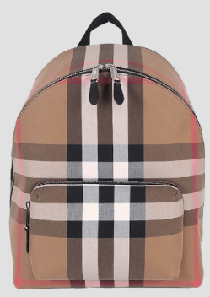 | 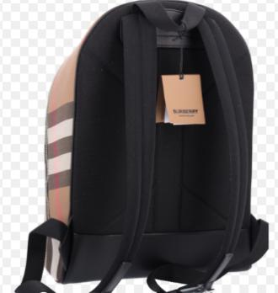 | MEN'S BAGS | 80845501 | 80845501 | A:ML JEFF CHK WOC:155036:A2201 | TAUPE BROWN IP CHECK | UP TO 200PCS |  | 1,050.00 € | 477.27 €
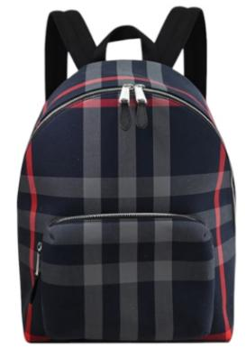 | 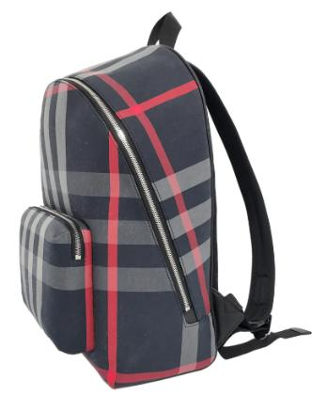 | MEN'S BAGS | 80840571 | 80840571 | A:ML JEFF CHK WOC:155036:A5997 | NAVY/GREY IP CHECK | UP TO 50PCS |  | 1,050.00 € | 477.27 €
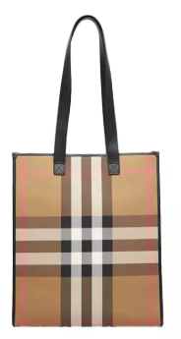 | 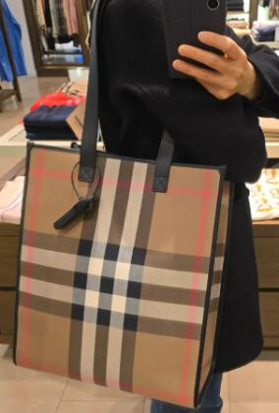 | MEN'S BAGS | 80845511 | 80845511 | A:ML MD NS BOOK TOTE CK BIN:155036:A2201 | TAUPE BROWN IP CHECK | UP TO 50PCS |  | 1,050.00 € | 477.27 €
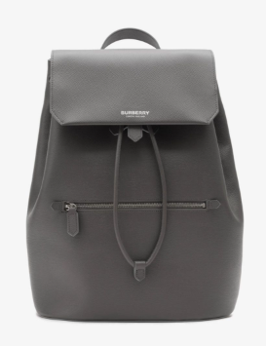 |  | MEN'S BAGS | 81146821 | 81146821 | A:ML SOFT RUCKSACK LGL:162993:C3280 | ANTHRACITE GREY | UP TO 50PCS |  | 1,390.00 € | 631.82 €
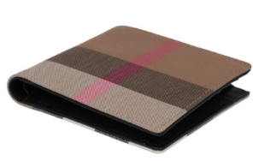 | 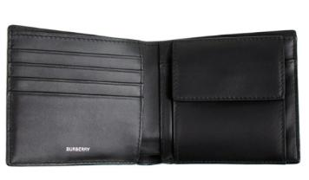 | MEN'S SM LTHR GOODS | 80845651 | 80845651 | A:MS CC BILL COIN CHK BIN:155036:A2201 | TAUPE BROWN IP CHECK | UP TO 50PCS |  | 370.00 € | 168.18 €
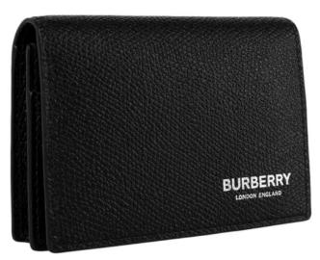 | 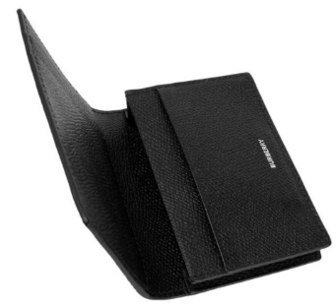 | MEN'S SM LTHR GOODS | 81046991 | 81046991 | A:MS FLINT CARD CASE:162993:A1189 | BLACK | UP TO 50PCS |  | 290.00 € | 131.82 €
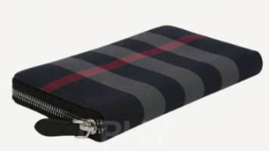 | 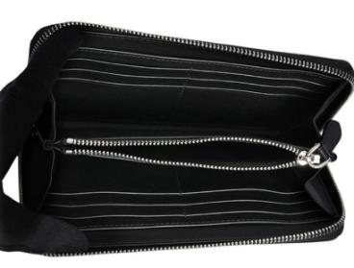 | MEN'S SM LTHR GOODS | 80840631 | 80840631 | A:MS LG ZIG CHK BIN:155036:A5997 | NAVY/GREY IP CHECK | UP TO 100PCS |  | 490.00 € | 222.73 €
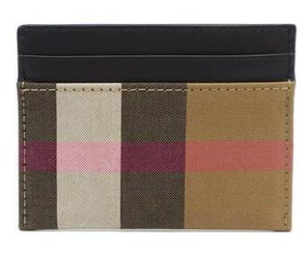 |  | MEN'S SM LTHR GOODS | 80846451 | 80846451 | A:MS SANDON CHK BIN:155036:A2201 | TAUPE BROWN IP CHECK | UP TO 100PCS |  | 210.00 € | 95.45 €
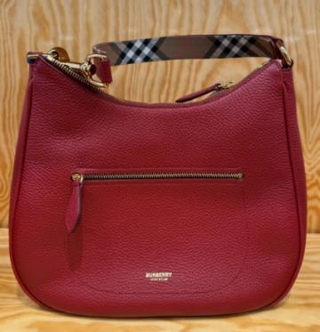 | 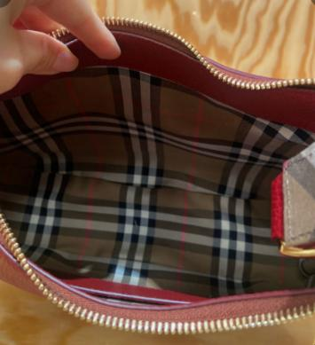 | WOMENS BAGS | 81112101 | 81112101 | A:LL HOBO:155070:A2912 | ANTIQUE RED | UP TO 100PCS |  | 1,290.00 € | 586.36 €
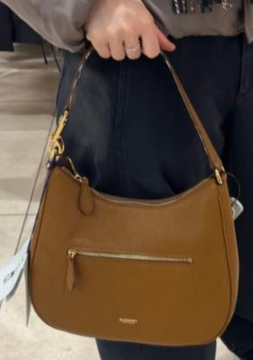 | 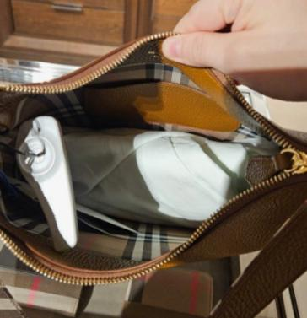 | WOMENS BAGS | 81112301 | #N/A | A:LL HOBO:155070:A4721 | TAWNY BROWN | UP TO 50PCS |  | 1,290.00 € | 586.36 €
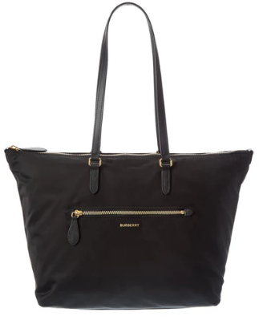 | 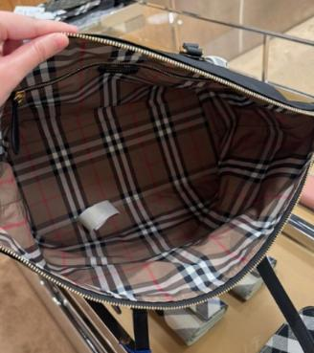 | WOMENS BAGS | 81092721 | 81092721 | A:LL LG ZIP TOTE NYN:117221:A1189 | BLACK | UP TO 200PCS |  | 1,090.00 € | 495.45 €
 | 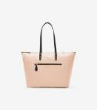 | WOMENS BAGS | 81112661 | 81112661 | A:LL LG ZIP TOTE NYN:117221:A6817 | ROSE BEIGE | UP TO 100PCS |  | 1,090.00 € | 495.45 €
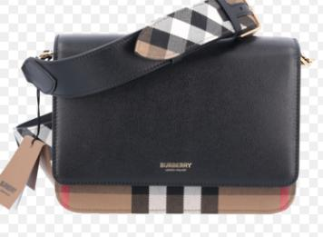 | 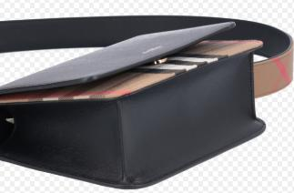 | WOMENS BAGS | 80840251 | 80840251 | A:LL MACKFORD MX GBH:155069:A1189 | BLACK | UP TO 200PCS |  | 1,390.00 € | 631.82 €
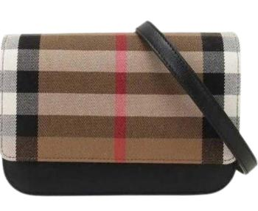 | 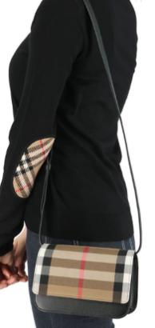 | WOMENS BAGS | 80840261 | 80840261 | A:LL MADISON MX GBH:155069:A1189 | BLACK | UP TO 100PCS |  | 1,050.00 € | 477.27 €
 |  | WOMENS BAGS | 81134091 | 81134091 | A:LL MADISON MX GBH:155069:A3559 | DARK ROSEWOOD | UP TO 50PCS |  | 1,050.00 € | 477.27 €
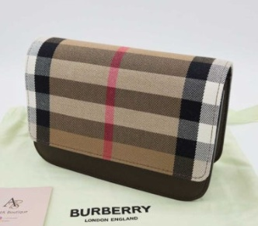 |  | WOMENS BAGS | 81134081 | 81134081 | A:LL MADISON MX GBH:155069:B1063 | EBONY BROWN | UP TO 100PCS |  | 1,050.00 € | 477.27 €
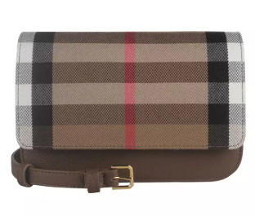 | 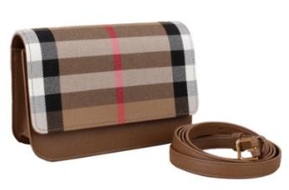 | WOMENS BAGS | 80844921 | 80844921 | A:LL MADISON MX GBH:155069:B9272 | EARTH | UP TO 200PCS |  | 1,050.00 € | 477.27 €
 | 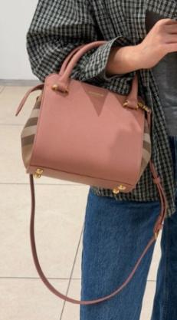 | WOMENS BAGS | 81140691 | 81140691 | A:LL MN BANWELL MX GBH:155069:A3559 | DARK ROSEWOOD | UP TO 50PCS |  | 1,390.00 € | 631.82 €
 | 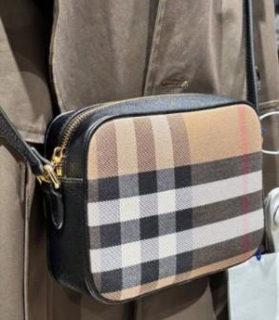 | WOMENS BAGS | 81140741 | 81140741 | A:LL SM CAMERA MX GBH:155069:A1189 | BLACK | UP TO 200PCS |  | 790.00 € | 359.09 €
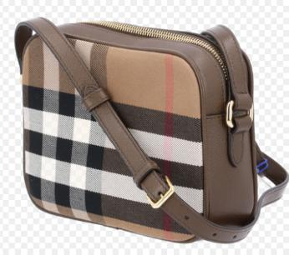 |  | WOMENS BAGS | 81140711 | 81140711 | A:LL SM CAMERA MX GBH:155069:B1063 | EBONY BROWN | UP TO 50PCS |  | 790.00 € | 359.09 €
 | 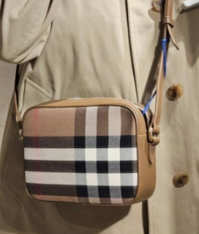 | WOMENS BAGS | 81140721 | 81140721 | A:LL SM CAMERA MX GBH:155069:B9272 | EARTH | UP TO 50PCS |  | 790.00 € | 359.09 €
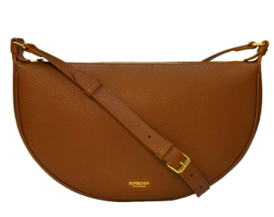 | 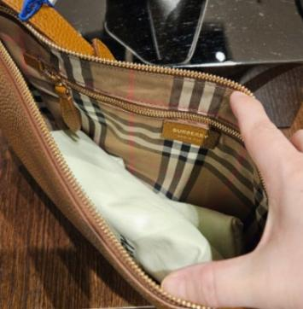 | WOMENS BAGS | 81112291 | 81112291 | A:LL SOFT SLING LGL:155070:A4721 | TAWNY BROWN | UP TO 50PCS |  | 990.00 € | 450.00 €
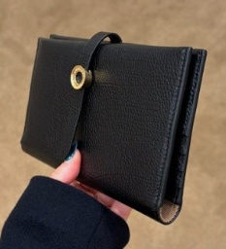 | 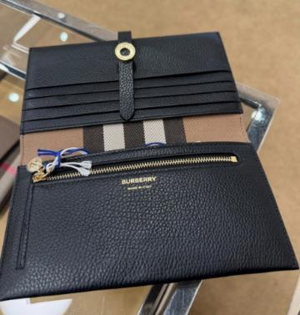 | WOMENS SM LTHR GOODS | 81131461 | 81131461 | A:LS ELLIE:163027:A1189 | BLACK | UP TO 50PCS |  | 725.00 € | 329.55 €
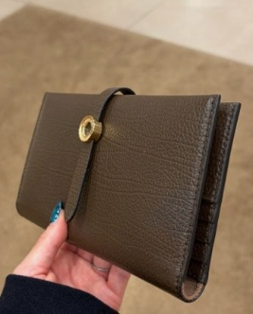 | 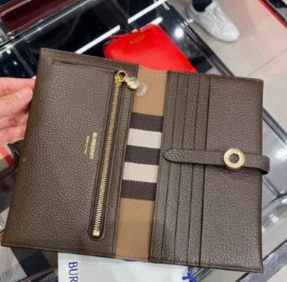 | WOMENS SM LTHR GOODS | 81131471 | 81131471 | A:LS ELLIE:163027:B1063 | EBONY BROWN | UP TO 50PCS |  | 725.00 € | 329.55 €
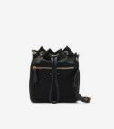 | 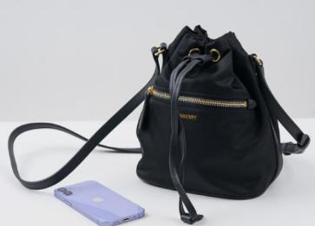 | WOMENS SM LTHR GOODS | 81092671 | 81092671 | A:LS MN DRAWSTRING POUCH NYN:117221:A118 | BLACK | UP TO 200PCS |  | 955.00 € | 434.09 €
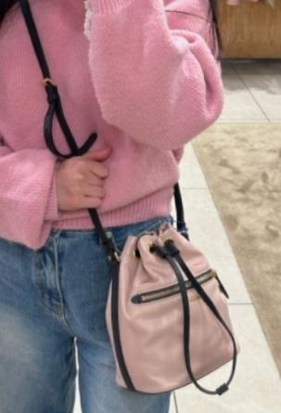 | 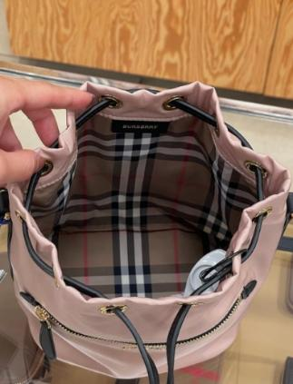 | WOMENS SM LTHR GOODS | 81112651 | 81112651 | A:LS MN DRAWSTRING POUCH NYN:117221:A681 | ROSE BEIGE | UP TO 100PCS |  | 955.00 € | 434.09 €
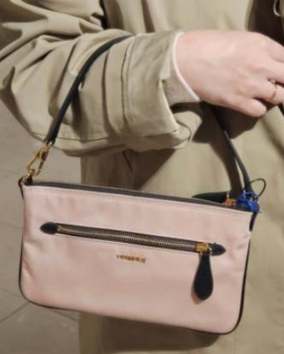 | 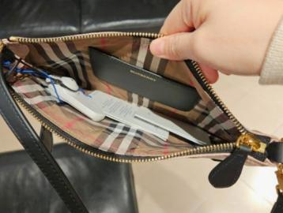 | WOMENS SM LTHR GOODS | 81112631 | 81112631 | A:LS MN POUCH NYN:117221:A6817 | ROSE BEIGE | UP TO 100PCS |  | 440.00 € | 200.00 €
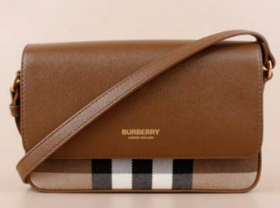 | 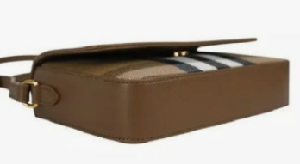 | WOMENS SM LTHR GOODS | 81072701 | 81072701 | A:LS NEW HAMPSHIRE MX GBH:155069:B9272 | EARTH | UP TO 50PCS |  | 850.00 € | 386.36 €
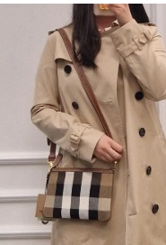 | 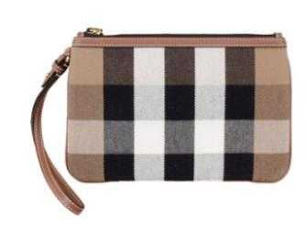 | WOMENS SM LTHR GOODS | 80840481 | 80840481 | A:LS NEW PEYTON CHK BIN:155291:A2201 | TAUPE BROWN IP CHECK | UP TO 200PCS |  | 420.00 € | 190.91 €
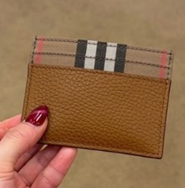 | 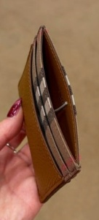 | WOMENS SM LTHR GOODS | 81134191 | 81134191 | A:LS SANDON LGL:155070:A4721 | TAWNY BROWN | UP TO 50PCS |  | 210.00 € | 95.45 €
 |  |  |  |  |  |  |  | 0

